Findings_By_Grant
SPSO SCOTTISH WELFARE FUND FINDINGS BY GRANT 2024-25

FINDINGS MADE ON COMMUNITY CARE GRANT CASES
FINDINGS | MATERIAL TO DECISION | NOT MATERIAL TO DECISION | TOTAL
Communication issues - written | 0 | 93 | 93
Guidance not followed correctly | 13 | 116 | 129
Incorrect information | 0 | 7 | 7
Incorrect interpretation of information | 62 | 27 | 89
Insufficient information / Inquisitorial failure | 46 | 21 | 67
New Information provided | 30 | 0 | 30
Other | 0 | 1 | 1
Positive feedback | 0 | 3 | 3
Recording issue | 0 | 39 | 39
Timescales not followed | 0 | 50 | 50
TOTAL | 151 | 357 | 508

FINDINGS MADE ON CRISIS GRANT CASES
FINDINGS | MATERIAL TO DECISION | NOT MATERIAL TO DECISION | TOTAL
Communication issues - written | 0 | 146 | 146
Guidance not followed correctly | 22 | 146 | 168
Incorrect information | 2 | 14 | 16
Incorrect interpretation of information | 27 | 32 | 59
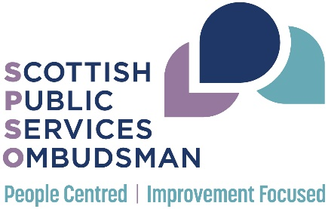
Insufficient information / Inquisitorial failure | 14 | 20 | 34
New Information provided | 23 | 0 | 23
Positive feedback | 0 | 4 | 4
Recording issue | 0 | 26 | 26
Timescales not followed | 0 | 41 | 41
TOTAL | 88 | 429 | 517

